Pension Tier Calculator
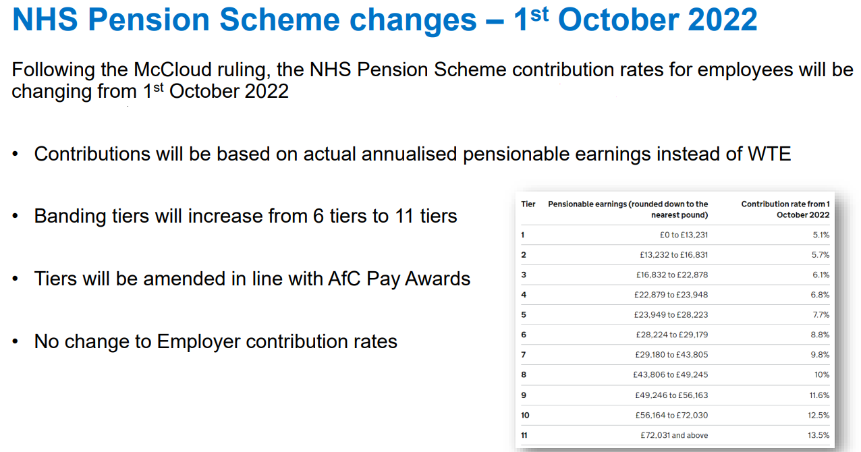
Pension Tier % - Calculator

 | Per Month
Pensionable Pay from your Payslip ---> | 3,083.40

Annual Salary | 37,001
for Pension Assessment

Your Penion Tier is | 9.80%

